3.1 Mapping Details
Mapping Details

Mapping Name | FDE_INT_PRODUCT_PRE_GENERIC
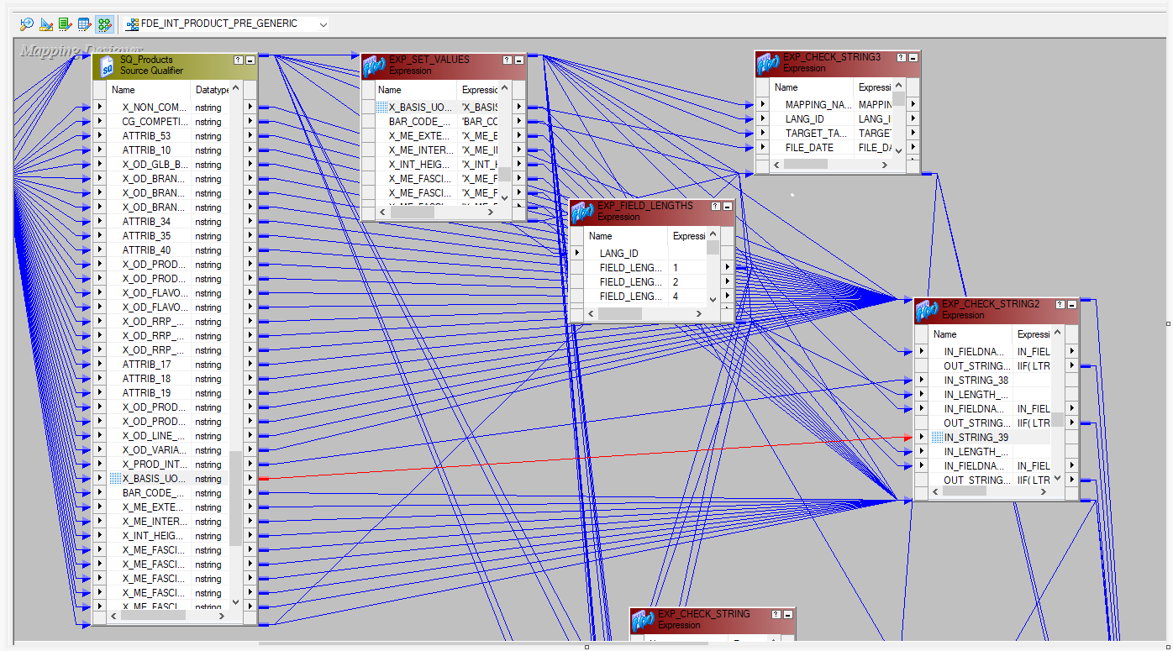
Source Table | Instance Name | Source Column | Datatype | Target Table | Instance Name | Target Column | Datatype | Functional Summary | Transformations
PRODUCT_TXT_GROUPED |  | X_BASIS_UOM_CD | NSTRING (500) | PRE_EIM_PROD_INT | PRE_EIM_PROD_INT | X_BASIS_UOM_CD | NVARCHAR (50) | Map X_BASIS_UOM_CD | Map X_BASIS_UOM_CD field from SQ_Products to EXP_CHECK_STRING2

